North Wall Drawing
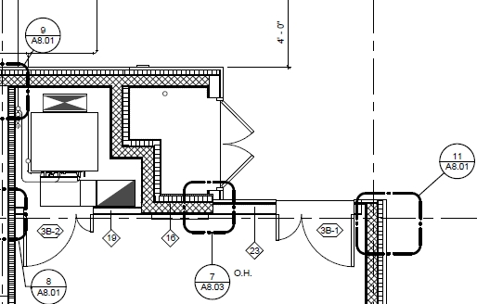
N1
K-Wall North Corner (0.65m)
N2
Door Wall
<23> (1.37m)
N7
Int Door Head Wall (1.22 m)
N8
J-Wall North Corner (0.36 m)
N6
<19> (0.827m)
N3 Door Wall <23> (0.89 m)
N4 & N5 <16> & 7/A8.03 (1.45m)

